Film Table
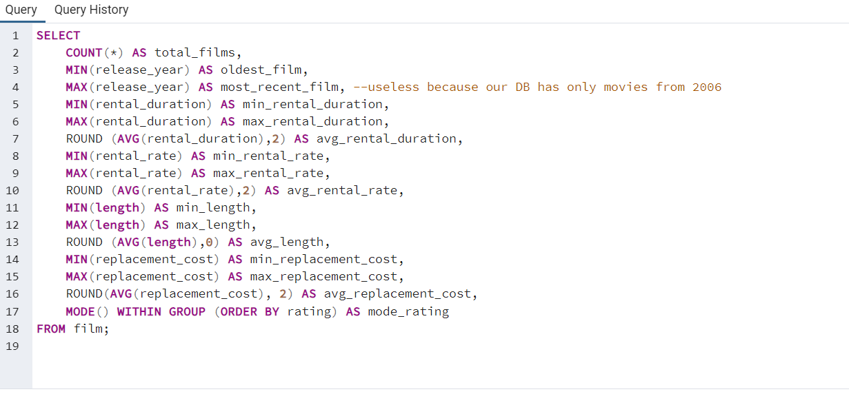
total_films | oldest_film | most_recent_film | min_rental_duration | max_rental_duration | avg_rental_duration | min_rental_rate | max_rental_rate | avg_rental_rate | min_length | max_length | avg_length | min_replacement_cost | max_replacement_cost | avg_replacement_cost | mode_rating
1000 | 2006 | 2006 | 3 | 7 | 4.99 | 0.99 | 4.99 | 2.98 | 46 | 185 | 115 | 9.99 | 29.99 | 19.98 | PG-13

Total Rev Costomers Country
country | customer_count | total_payment
India | 60 | 6034.78
China | 53 | 5251.03
United States | 36 | 3685.31
Japan | 31 | 3122.51
Mexico | 30 | 2984.82
Brazil | 28 | 2919.19
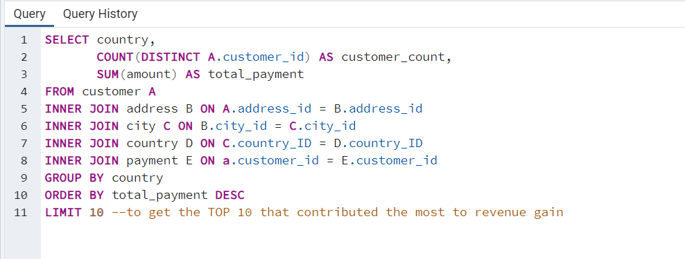
Russian Federation | 28 | 2765.62
Philippines | 20 | 2219.7
Turkey | 15 | 1498.49
Indonesia | 14 | 1352.69

Top10 Customers & Country
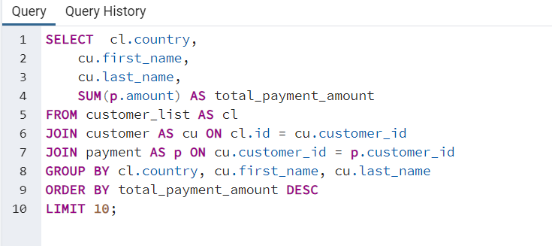
country | first_name | last_name | total_payment_amount
Runion | Eleanor | Hunt | 211.55
United States | Karl | Seal | 208.58
Brazil | Marion | Snyder | 194.61
Netherlands | Rhonda | Kennedy | 191.62
Belarus | Clara | Shaw | 189.6
Iran | Tommy | Collazo | 183.63
United States | Ana | Bradley | 167.67
Canada | Curtis | Irby | 167.62
Philippines | Marcia | Dean | 166.61
India | Mike | Way | 162.67

